Vox
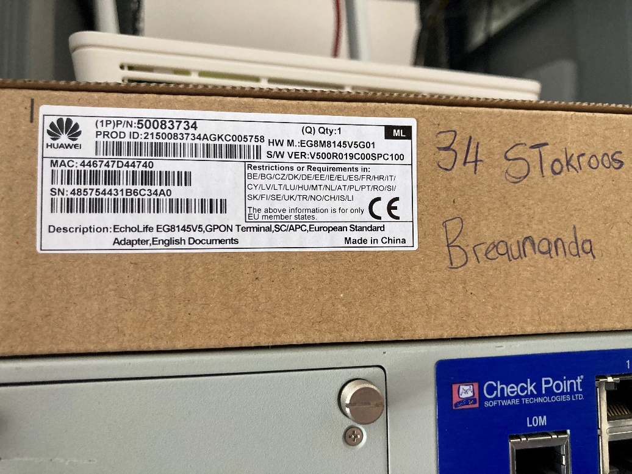
Company | Type | Service/Acc ID | IP | Period | Details | Notes | Company Contact Details
Sautech Fibre | Data Account | 9333705 |  |  |  |  | Website Link
 |  |  |  |  |  |  | Contact Number
 |  |  |  |  |  |  | Account Manager
 |  |  |  |  |  |  | Other

